Indoor Unit
Model: |  | HJ-UZ12-LA-Q
Brand: |  | Mitsutomo
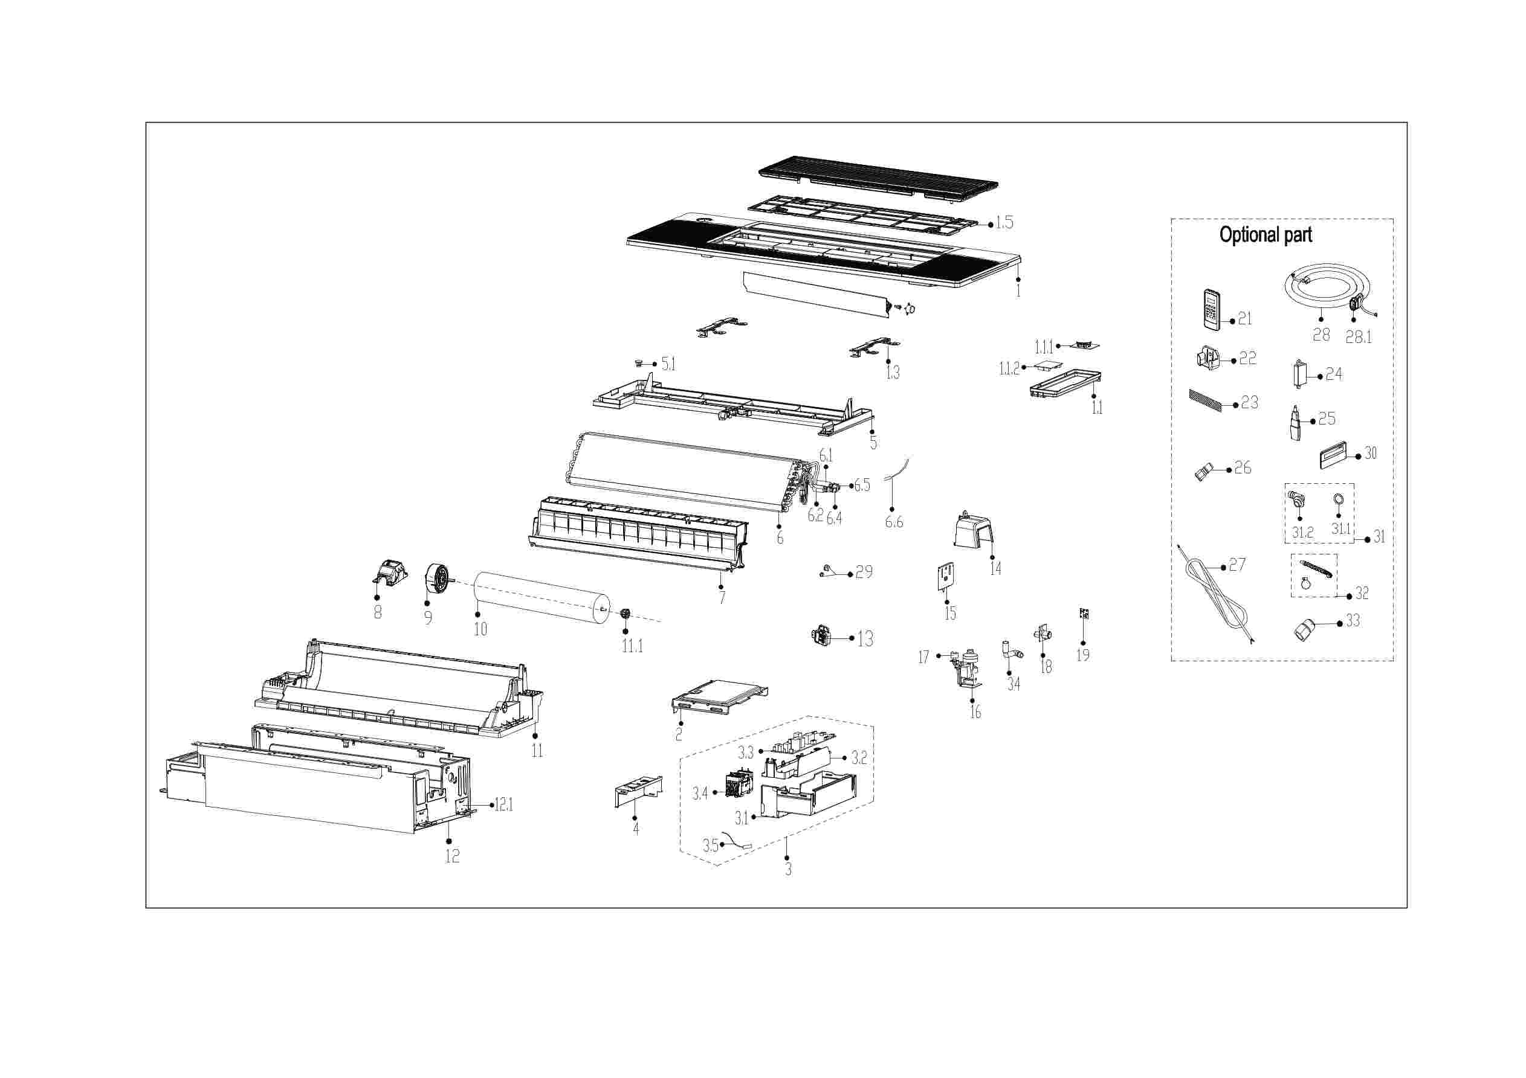

EX_ID | Part Code | Part Name | QTY | Substitute
1 | 12122500A30207 | Panel assembly | 1.00
1.1 | 17222500A04797 | Display board subassembly | 1.00
1.1.1 | 17122500004112 | Display Board Subassembly | 1.00
1.1.2 | 17122500005091 | Adapter plate subassembly | 1.00
1.3 | 12222500002492 | locked button board | 2.00
1.5 | 12122500002707 | Air filter | 1.00
2 | 12222500002474 | Cover of electronic control box | 1.00
3 | 17222500005590 | Electronic Control Box Subassembly | 1.00
3.1 | 12222500002452 | Electronic control box | 1.00
3.2 | 12122500002567 | Electronic control box | 1.00
3.3 | 17122500007495 | Main Control Board Subassembly | 1.00
3.4 | 17400519000448 | Power switch | 1.00
3.5 | 11201007003448 | Room Temperature Sensor | 1.00
4 | 12222500002412 | Electric cover | 1.00
5 | 12122500002588 | Water tray components | 1.00
5.1 | 12600801000903 | Drain stopper | 1.00
6 | 15822500002839 | Evaporator subassembly | 1.00
6.1 | 15122500003976 | Evaporator outlet pipe subassembly | 1.00
6.2 | 15122500004076 | Evaporator inlet pipe subassembly | 1.00
6.4 | 15500209000001 | Pin Valve | 1.00
6.5 | 15500404000002 | Pipe Nut | 1.00 | 15500404000148
6.6 | 11201007003437 | Pipe Temperature Sensor | 1.00
7 | 12122500002587 | Wind guide frame subassembly | 1.00
8 | 12122000031622 | Fan motor base | 1.00
9 | 11002015016793 | Brushless DC Motor | 1.00
10 | 12100102000936 | Cross flow fan | 1.00
11 | 12122500002607 | Air duct components | 1.00
11.1 | 12622000000131 | Bearing Block Assembly | 1.00 | 12622000A00001
12 | 12222500002413 | Chassis subassembly | 1.00
12.1 | 12223000012927 | Hook | 4.00
13 | 11201003000344 | Gas sensor | 1.00
14 | 12122500002647 | Plastic parts | 1.00
15 | 12223000015688 | Support plate | 1.00
16 | 17400802003633 | Hood pump subassembly | 1.00
17 | 17400511001344 | Water Level Switch | 1.00
18 | 12100510000021 | Drain Hose | 1.00
19 | 17122000058071 | Humidity sensor subassembly | 1.00
21 | 17317000A71671 | Remote Controller | 1.00
22 | 12122000029201 | Bracket of Remote Controller | 1.00 | 12117000A29076
29 | 15500406000010 | Flare Nut | 1.00 | 15500406000015
29 | 15500406000016 | Flare Nut | 1.00
30 | 17317100012416 | Wired Controller | 1.00
32 | 12011600A00310 | Accessory Kit Of The Drainage Pipe Assembly | 1.00
34 | 12600501002008 | Drainage connect pipe assembly | 1.00

