Indoor Unit
Model: |  | HC-UZ12-LA-Q
Brand: |  | Mitsutomo
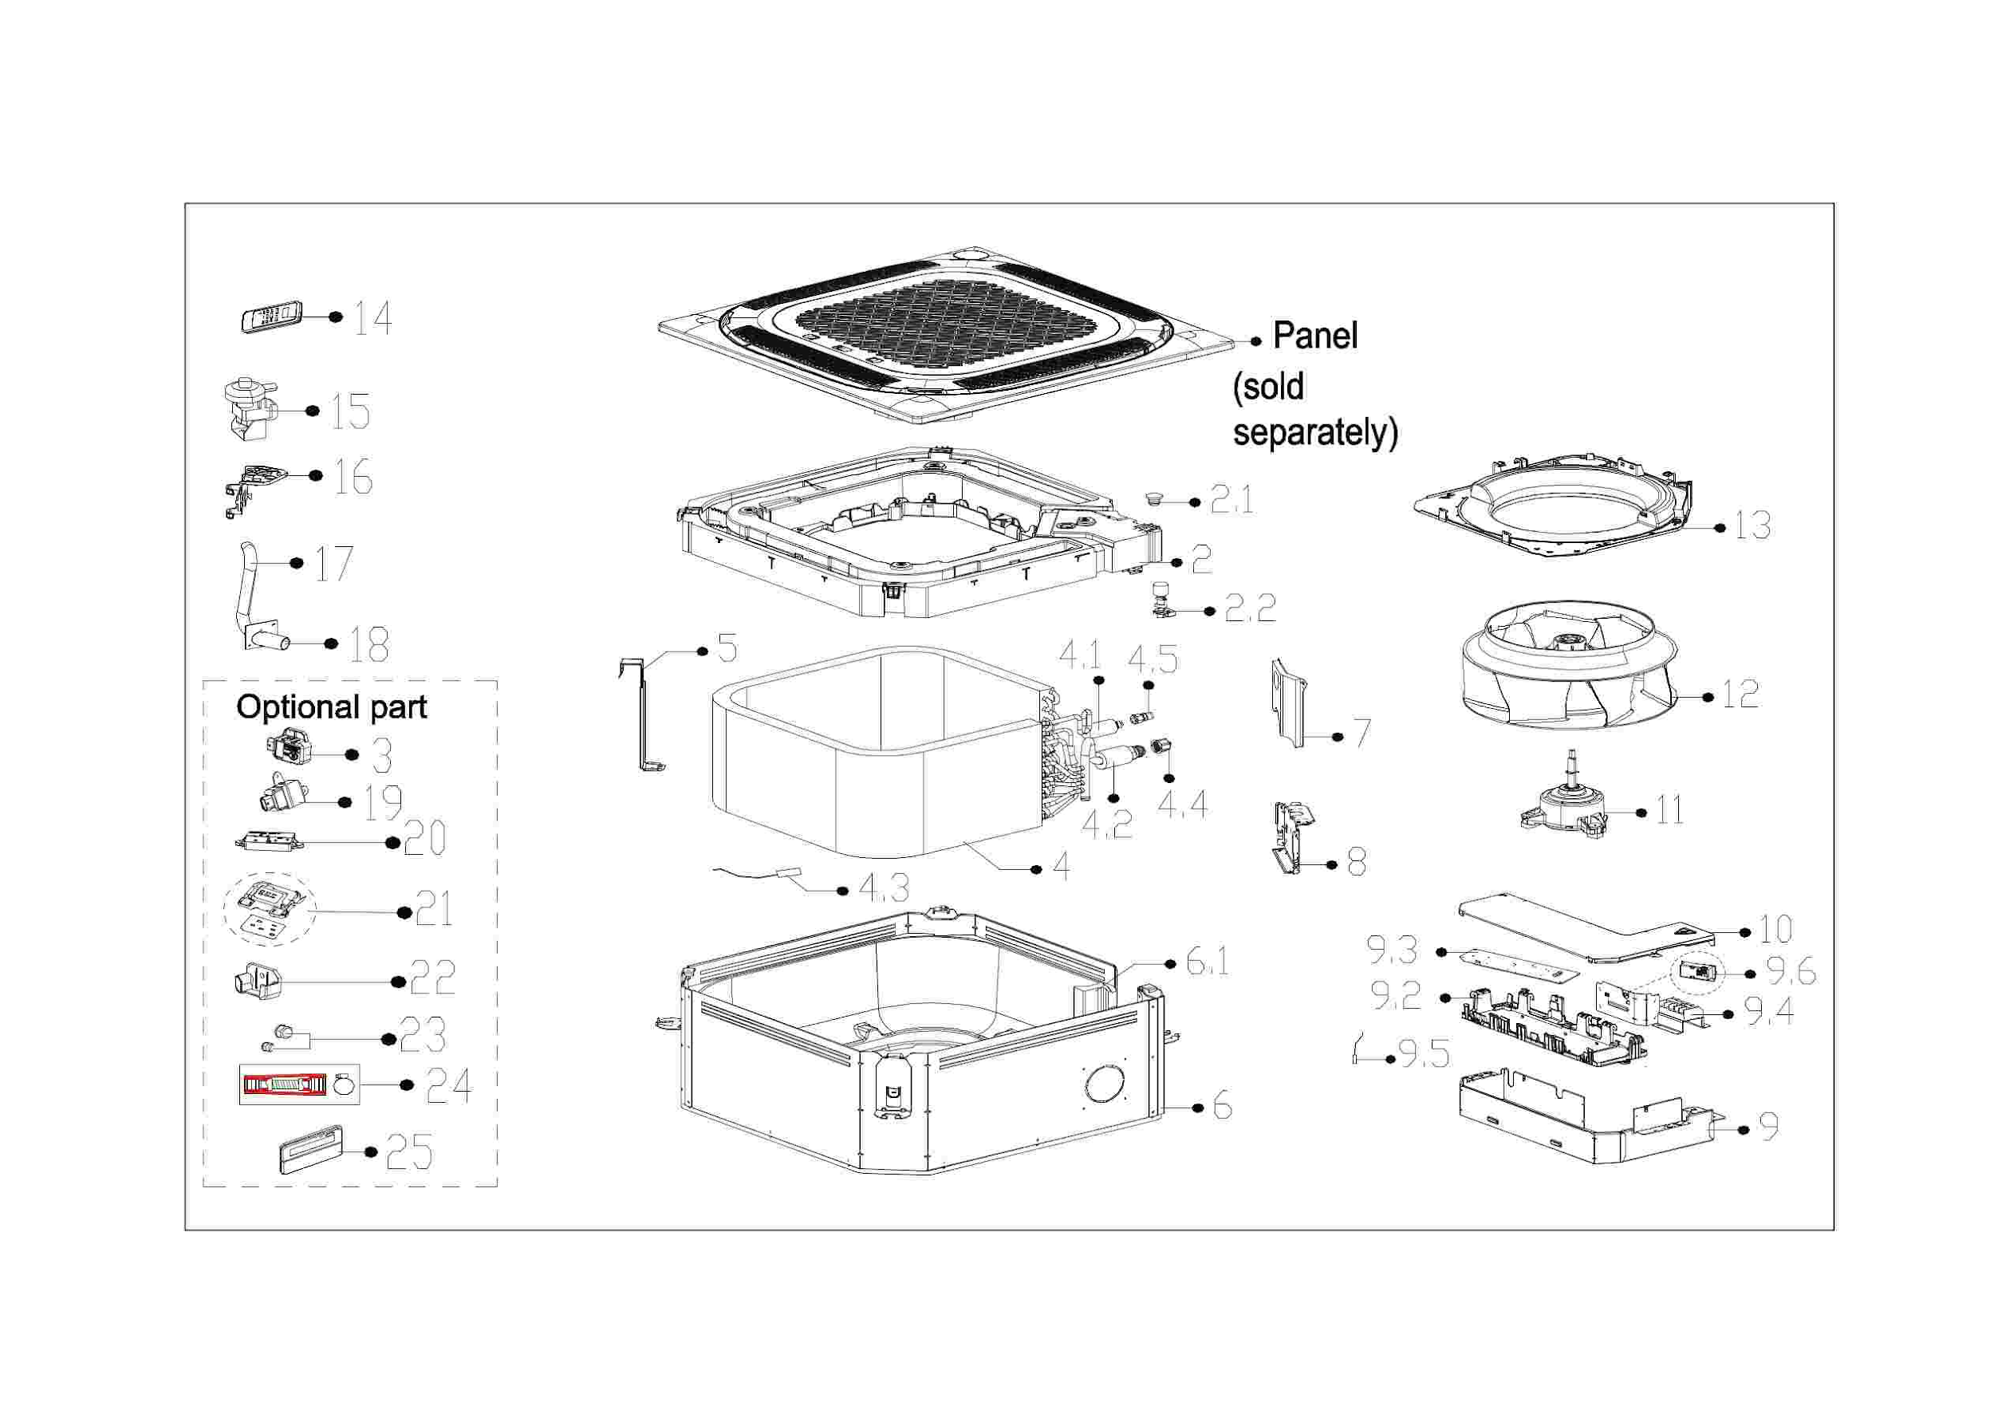

EX_ID | Part Code | Part Name | QTY | Substitute
2 | 12822500000650 | Water collector subassembly | 1.00
2.1 | 12600801000903 | Drain stopper | 1.00
2.2 | 17400511001424 | Water Level Switch | 1.00
3 | 11201003000344 | Gas sensor | 1.00
4 | 15822500003184 | Evaporator Assembly | 1.00
4.1 | 15122500003898 | Evaporator inlet pipe subassembly | 1.00
4.2 | 15122500003956 | Evaporator outlet pipe subassembly | 1.00
4.3 | 11201007003442 | Pipe Temperature Sensor | 1.00 | 11201007000136
4.4 | 15500404000002 | Pipe Nut | 1.00 | 15500404000148
4.5 | 15500209000001 | Pin Valve | 1.00
5 | 12222500002852 | Evaporator fixing hanger | 1.00
6 | 12222500002836 | Chassis assembly | 1.00
6.1 | 12822500000630 | Base foam subassembly | 1.00
7 | 12222500002835 | Pipe fixing board subassembly | 1.00
8 | 12222500002853 | Evaporator connecting board | 1.00
9 | 17222500005587 | Electronic Control Box Subassembly | 1.00
9.2 | 12122500002849 | Insulation plate | 1.00
9.3 | 17122500007511 | Main Control Board Subassembly | 1.00
9.4 | 17400401000097 | Wire Joint | 1.00 | 17400401000136
9.5 | 11201007006664 | Room Temperature Sensor | 1.00
9.6 | 17122000061576 | Sensor subassembly | 1.00
10 | 12222500002837 | Cover of electronic control box | 1.00
11 | 11002015019336 | Brushless DC Motor | 1.00
12 | 12100103001644 | Centrifugal Fan | 1.00
13 | 12122500002851 | Ventilation ring | 1.00
14 | 17317000A71671 | Remote Controller | 1.00
15 | 11001012001231 | Shaded pole pump | 1.00
16 | 12122500002850 | Water Pump Box | 1.00
17 | 12600501002808 | Rubber tube | 1.00
18 | 12100510000019 | Drain Hose | 1.00
22 | 12122000029201 | Bracket of Remote Controller | 1.00 | 12117000A29076
23 | 15500406000010 | Flare Nut | 1.00 | 15500406000015
23 | 15500406000016 | Flare Nut | 1.00
24 | 12011600005258 | Accessory Kit Of The Drainage Pipe Assembly | 1.00
25 | 17317100A42882 | Wired Controller | 1.00
26 | 12022500000002 | Accessory Kit | 1.00
27 | 11201103000001 | Magnetic ring | 2.00

