Indoor Unit
Model: |  | HJ-UZ18-LA-Q
Brand: |  | Mitsutomo
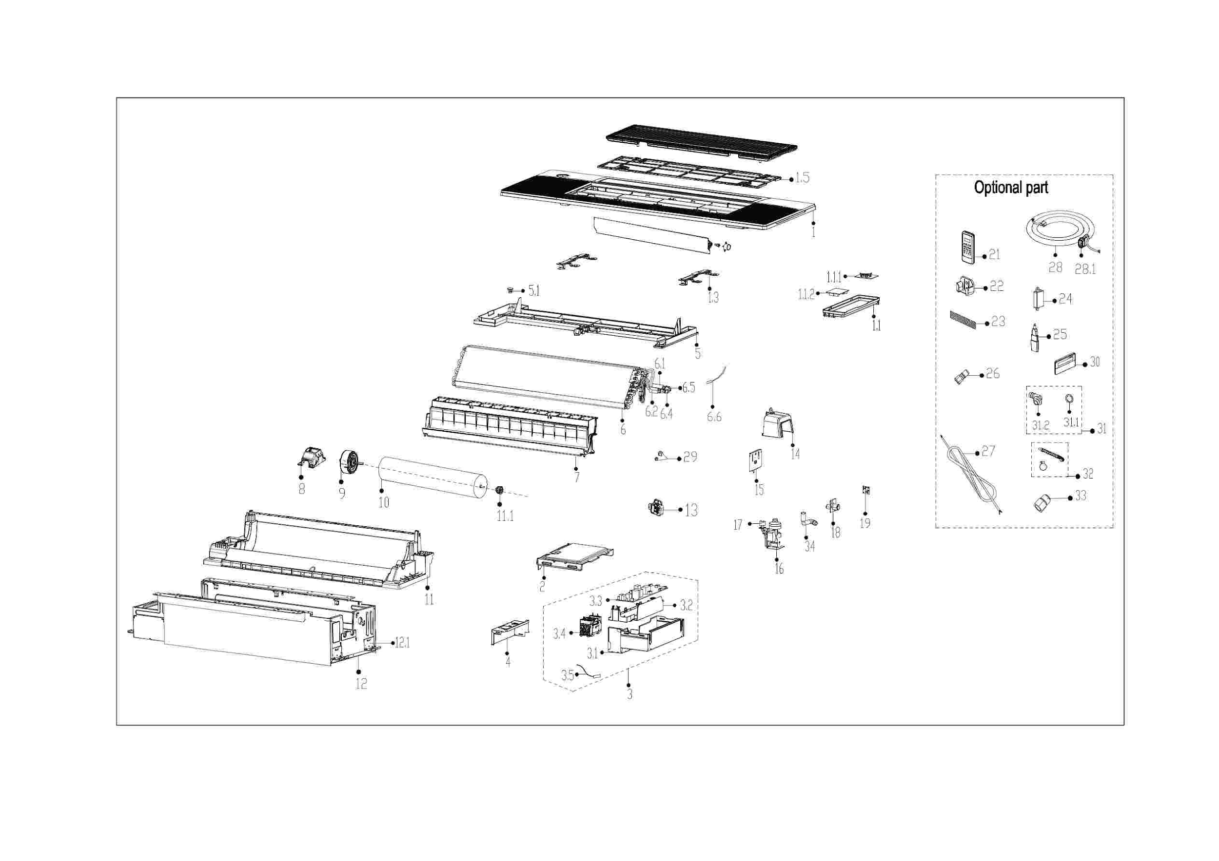

EX_ID | Part Code | Part Name | QTY | Substitute
1 | 12122500A30207 | Panel assembly | 1.00
1.1 | 17222500A04797 | Display board subassembly | 1.00
1.1.1 | 17122500004112 | Display Board Subassembly | 1.00
1.1.2 | 17122500005091 | Adapter plate subassembly | 1.00
1.3 | 12222500002492 | locked button board | 2.00
1.5 | 12122500002707 | Air filter | 1.00
2 | 12222500002474 | Cover of electronic control box | 1.00
3 | 17222500005588 | Electronic Control Box Subassembly | 1.00
3.1 | 12222500002452 | Electronic control box | 1.00
3.2 | 12122500002567 | Electronic control box | 1.00
3.3 | 17122500007499 | Main Control Board Subassembly | 1.00
3.4 | 17400519000448 | Power switch | 1.00
3.5 | 11201007003448 | Room Temperature Sensor | 1.00
4 | 12222500002412 | Electric cover | 1.00
5 | 12122500002588 | Water tray components | 1.00
5.1 | 12600801000903 | Drain stopper | 1.00
6 | 15822500002819 | Evaporator subassembly | 1.00
6.1 | 15122500003576 | Evaporator outlet pipe subassembly | 1.00
6.2 | 15122500004076 | Evaporator inlet pipe subassembly | 1.00
6.4 | 15500209000001 | Pin Valve | 1.00
6.5 | 15500404000009 | Pipe Nut | 1.00 | 15500404000147
6.6 | 11201007003437 | Pipe Temperature Sensor | 1.00
7 | 12122500002587 | Wind guide frame subassembly | 1.00
8 | 12122000031622 | Fan motor base | 1.00
9 | 11002015016793 | Brushless DC Motor | 1.00
10 | 12100102000936 | Cross flow fan | 1.00
11 | 12122500002607 | Air duct components | 1.00
11.1 | 12622000000131 | Bearing Block Assembly | 1.00 | 12622000A00001
12 | 12222500002413 | Chassis subassembly | 1.00
12.1 | 12223000012927 | Hook | 4.00
13 | 11201003000344 | Gas sensor | 1.00
14 | 12122500002647 | Plastic parts | 1.00
15 | 12223000015688 | Support plate | 1.00
16 | 17400802003633 | Hood pump subassembly | 1.00
17 | 17400511001344 | Water Level Switch | 1.00
18 | 12100510000021 | Drain Hose | 1.00
19 | 17122000058071 | Humidity sensor subassembly | 1.00
21 | 17317000A71671 | Remote Controller | 1.00
22 | 12122000029201 | Bracket of Remote Controller | 1.00 | 12117000A29076
29 | 15500406000016 | Flare Nut | 1.00
29 | 15500406000012 | Flare Nut | 1.00
30 | 17317100012416 | Wired Controller | 1.00
32 | 12011600A00310 | Accessory Kit Of The Drainage Pipe Assembly | 1.00
34 | 12600501002008 | Drainage connect pipe assembly | 1.00

Outdoor Unit
Model: |  | HO-SZ18-LA-Q
Brand: |  | Mitsutomo

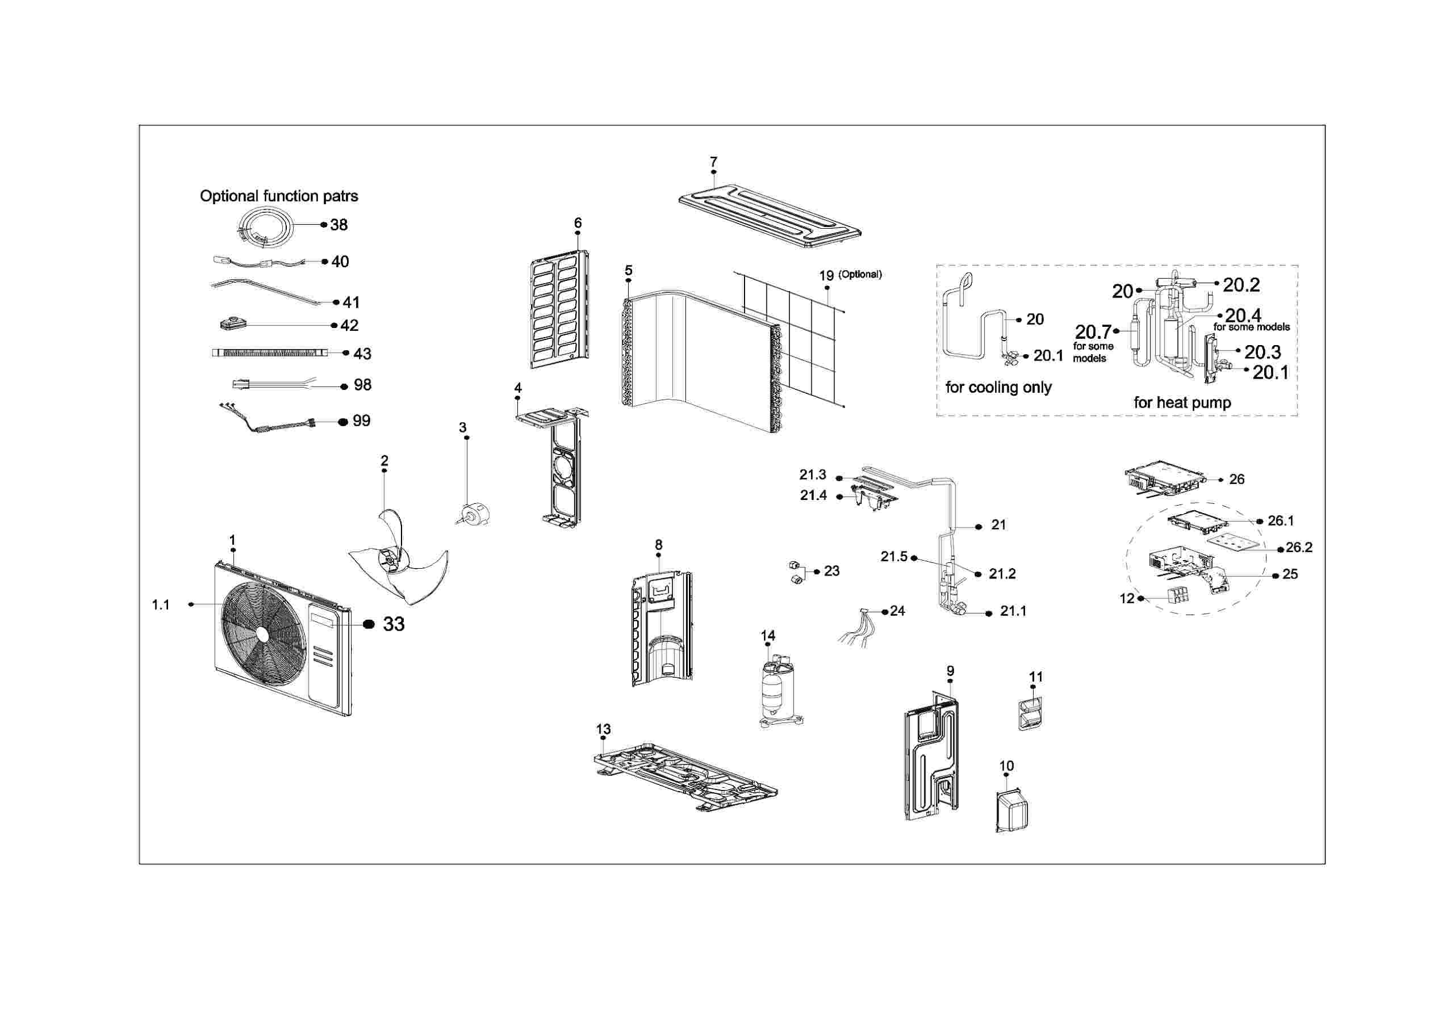

EX_ID | Part Code | Part Name | QTY | Substitute
1 | 12222000A06282 | Front panel assembly | 1.00
1.1 | 12222000A06092 | Air outlet grille | 1.00
2 | 12100105000841 | Axial Flow Fan | 1.00 | 12100105A00126
3 | 11002015000366 | Brushless DC Motor | 1.00 | 11002015A01198
4 | 12222000012371 | Motor Bracket | 1.00
5 | 15822000009796 | Condenser Assembly | 1.00
6 | 12222000013472 | Left supporter | 1.00
7 | 12222000013465 | Top cover assembly | 1.00
8 | 12222000013245 | Partition Board Assembly | 1.00
9 | 12222000013466 | Right clapboard assembly | 1.00
10 | 12122000007150 | Water Collector | 1.00
11 | 12222000010966 | Big Handle Assembly | 1.00
12 | 17400401006456 | Wire Joint | 1.00
13 | 12222000014054 | Chassis assembly | 1.00
14 | 11103020010159 | DC Inverter Rotary Compressor | 1.00
19 | 12222000013085 | Rear Net | 1.00
20 | 15422000025397 | 4-way valve assembly | 1.00
20.1 | 15500204000667 | Gas Valve | 1.00
20.2 | 15500216002443 | Four-Way Valve | 1.00
20.3 | 12222200005738 | Valve Plate | 1.00
20.4 | 15122000030777 | Muffler subassembly | 1.00
20.7 | 15122000030797 | Muffler subassembly | 1.00
21 | 15422000025358 | Liquid valve Assembly | 1.00
21.1 | 15500208000028 | High Pressure Valve | 1.00
21.2 | 15500210001848 | Throttle valve element | 1.00
21.3 | 11203803001176 | Radiator | 1.00
21.4 | 12122000011478 | U-Typed Support with Copper Pipe | 1.00
21.5 | 15500213002089 | Electronic Expansion Valve | 1.00 | 11501020000021
23 | 15500406000016 | Flare Nut | 1.00
23 | 15500406000012 | Flare Nut | 1.00
24 | 11201011001047 | Temperature Sensor | 1.00
25 | 17222000031639 | Terminal Board Subassembly | 1.00
26 | 17222000048717 | Electronic Control Box Subassembly | 1.00
26.1 | 12122000008999 | Electronic Installing Box | 1.00
26.2 | 17122000069982 | Outdoor Main Control Board Subassembly | 1.00
33 | 16022000C85989 | Outdoor unit trademark | 1.00
40 | 17402001001499 | Crankcase Electric Heating Strip | 1.00
41 | 17402002000544 | Heater | 1.00
42 | 12600401000813 | rubber base | 4.00
45 | 12011600A00350 | Accessory Kit | 1.00
99 | 17401203012697 | Compressor Wires Subassembly | 1.00

