Indoor Unit
Model: |  | HC-UZ24-LA-Q
Brand: |  | Mitsutomo
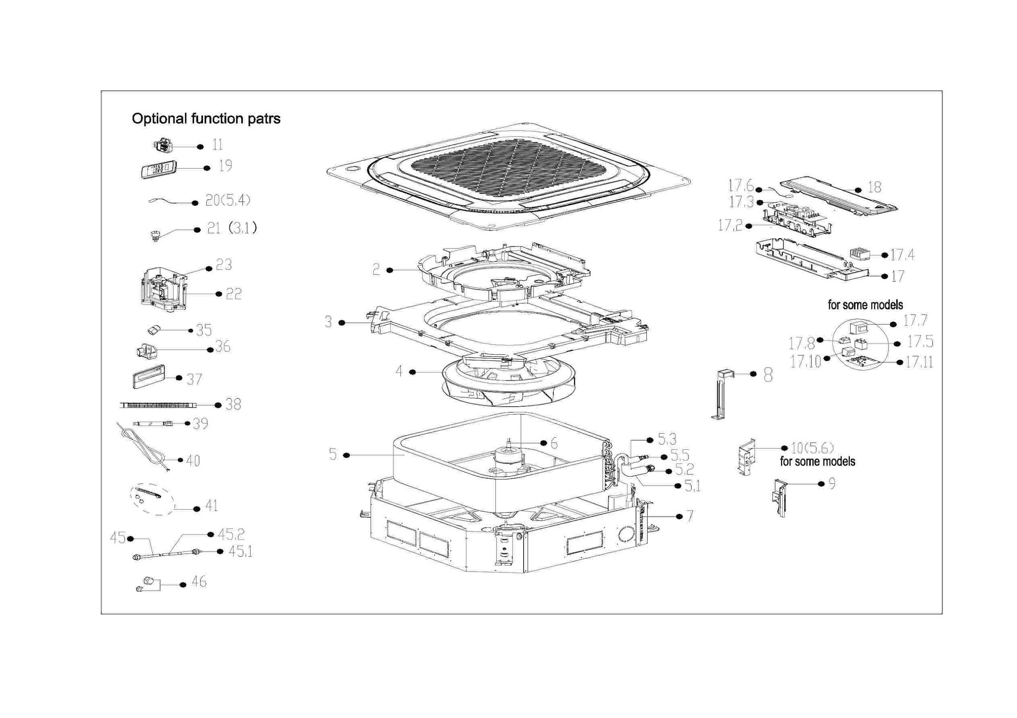

EX_ID | Part Code | Part Name | QTY | Substitute
2 | 12122500002031 | Air Guide Ring | 1.00
3 | 12822500A00067 | Water collector subassembly | 1.00
3.1 | 17400511001244 | Water Level Switch | 1.00
4 | 12100103000149 | Centrifugal Fan | 1.00 | 12100103A00122
5 | 15822500003185 | Evaporator Assembly | 1.00
5.1 | 15122500003156 | Evaporator outlet pipe subassembly | 1.00
5.2 | 15500404000005 | Pipe Nut | 1.00 | 15500404000145
5.3 | 15122500003237 | Evaporator inlet pipe subassembly | 1.00
5.4 | 11201007003442 | Pipe Temperature Sensor | 1.00 | 11201007000136
5.5 | 15500209000002 | Pin Valve | 1.00
6 | 11002015012268 | Brushless DC Motor | 1.00 | 11002015A01557
7 | 12222500002035 | Chassis Assembly | 1.00
8 | 12222500000084 | Evaporator Fixing Hanger | 1.00
9 | 12122500002028 | Pipe fixing board subassembly | 1.00
10 | 12222500001673 | Evaporator fixing board subassembly | 1.00
11 | 11201003000344 | Gas sensor | 1.00
17 | 17222500005589 | Electronic Control Box Subassembly | 1.00
17.2 | 12122500002047 | Insulation Plate | 1.00
17.3 | 17122500007491 | Main Control Board Subassembly | 1.00
17.4 | 17400401006536 | Wire Joint | 1.00
17.6 | 11201007003424 | Room Temperature Sensor | 1.00
17.7 | 17400306000923 | Reactor | 1.00
17.11 | 17122000048868 | Humidity Sensor Subassembly | 1.00 | 17122000053682
18 | 12222500002033 | Electric Control Box Cover | 1.00
19 | 17317000A71671 | Remote Controller | 1.00
22 | 12122500003147 | External Water Pump Box Assembly | 1.00 | 12122500002027
23 | 11001010001757 | Induction Pump | 1.00
36 | 12122000029201 | Bracket of Remote Controller | 1.00 | 12117000A29076
37 | 17317100A42882 | Wired Controller | 1.00
41 | 12011600005258 | Accessory Kit Of The Drainage Pipe Assembly | 1.00
42 | 12022500000002 | Accessory Kit | 1.00
46 | 15500406000003 | Flare Nut | 1.00
46 | 15500406000010 | Flare Nut | 1.00 | 15500406000015
55 | 12600401006153 | rubber base | 1.00

