Indoor Unit
Model: |  | HC-UG36-LA-Q
Brand: |  | Mitsutomo
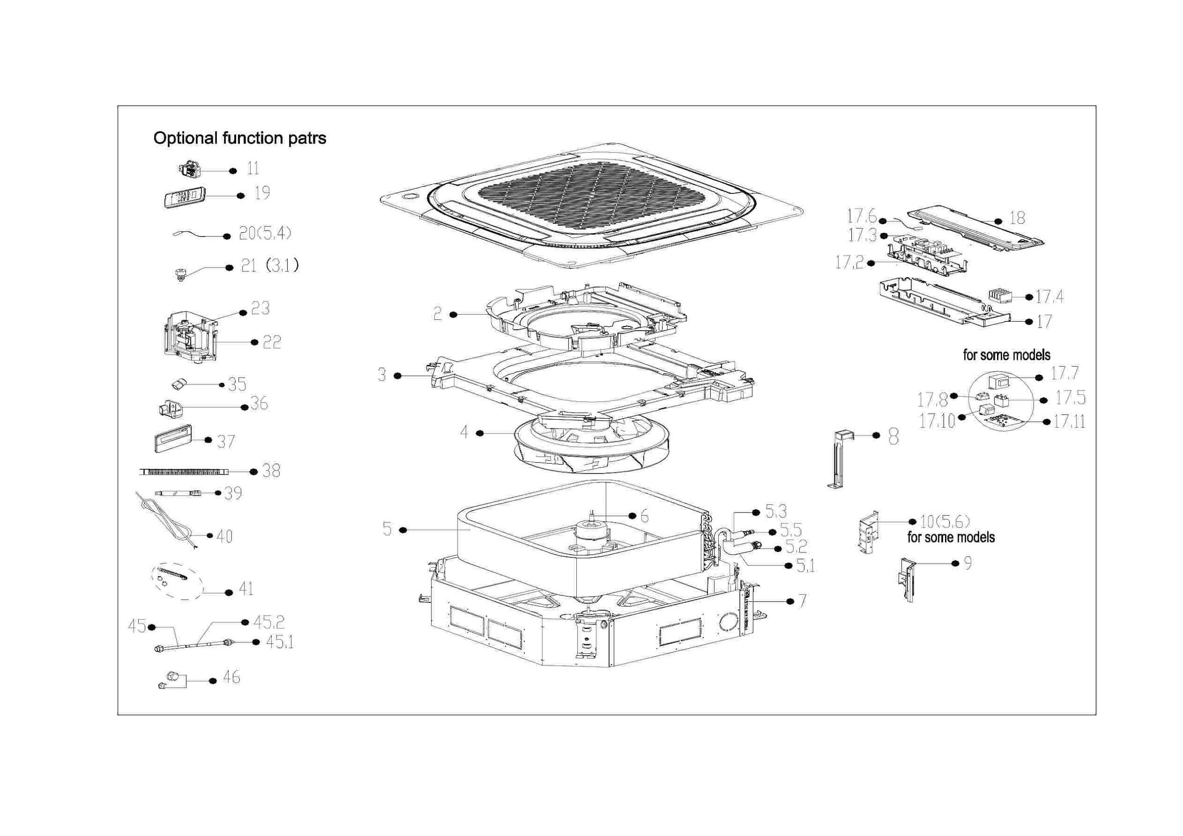

EX_ID | Part Code | Part Name | QTY | Substitute
2 | 12122500002031 | Air Guide Ring | 1.00
3 | 12822500A00067 | Water collector subassembly | 1.00
3.1 | 17400511001244 | Water Level Switch | 1.00
4 | 12100103001504 | centrifuge fan | 1.00 | 12100103000944
5 | 15822500002419 | Evaporator Assembly | 1.00
5.1 | 15122500003316 | Evaporator outlet pipe subassembly | 1.00
5.2 | 15500404000008 | Pipe Nut | 1.00 | 15500404000146
5.3 | 15122500003260 | Evaporator inlet pipe subassembly | 1.00
5.5 | 15500209000002 | Pin Valve | 1.00
6 | 11002015012308 | Brushless DC Motor | 1.00 | 11002015017697
7 | 12222500002094 | Chassis Assembly | 1.00
8 | 12222500000089 | Evaporator Fixing Hanger | 2.00
9 | 12122500002028 | Pipe fixing board subassembly | 1.00
10 | 12222500002092 | Evaporator fixing board subassembly | 1.00
11 | 11201003000344 | Gas sensor | 1.00
17 | 17222500004705 | Electronic control box subassembly | 1.00
17.2 | 12122500002047 | Insulation Plate | 1.00
17.3 | 17122500006213 | Main control board subassembly | 1.00
17.4 | 17400401000085 | Wire Joint | 1.00
17.6 | 11201007003424 | Room Temperature Sensor | 1.00
17.7 | 17400306001543 | Reactor | 1.00
17.11 | 17122000048868 | Humidity Sensor Subassembly | 1.00 | 17122000053682
18 | 12222500002033 | Electric Control Box Cover | 1.00
19 | 17317000A71671 | Remote Controller | 1.00
20 | 11201007003442 | Pipe Temperature Sensor | 1.00 | 11201007000136
22 | 12122500003147 | External Water Pump Box Assembly | 1.00 | 12122500002027
23 | 11001010001757 | Induction Pump | 1.00
36 | 12122000029201 | Bracket of Remote Controller | 1.00 | 12117000A29076
37 | 17317100A41620 | Wired Controller | 1.00
41 | 12011600005258 | Accessory Kit Of The Drainage Pipe Assembly | 1.00
46 | 15500406000008 | Flare Nut | 1.00
46 | 15500406000010 | Flare Nut | 1.00 | 15500406000015

Outdoor Unit
Model: |  | HO-SG36-LA-Q
Brand: |  | Mitsutomo
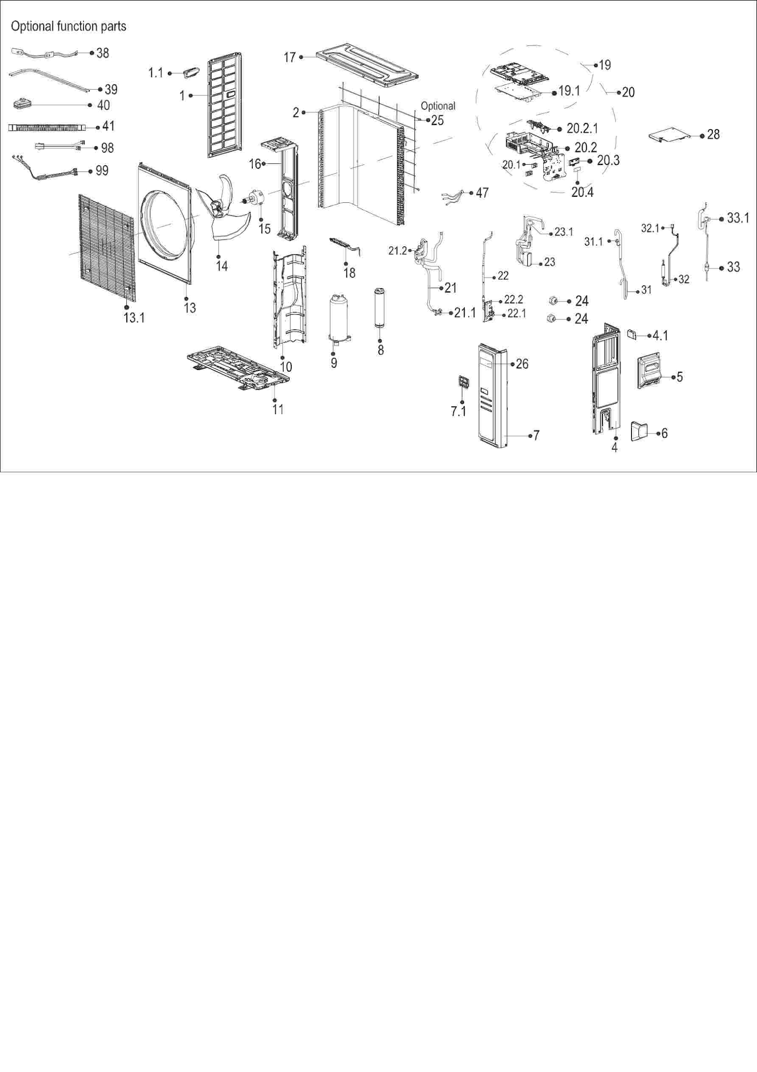

EX_ID | Part Code | Part Name | QTY | Substitute
1 | 12222000018386 | Left side plate assembly of cabinet | 1.00
1.1 | 12100701000033 | Small handle | 1.00
2 | 15823000007703 | Condenser Assembly | 1.00
4 | 12222500002932 | Rear right clapboard assembly | 1.00
4.1 | 12100702000170 | Small handle | 1.00
5 | 12222000018396 | Big handle assembly | 1.00
6 | 12122200002695 | Water Collector | 1.00
7 | 12222000018406 | Front right clapboard assembly | 1.00
7.1 | 12100702000170 | Small handle | 1.00
8 | 15500508001515 | Liquid-storage tank | 1.00
9 | 11103020015083 | DC Inverter Rotary Compressor | 1.00
10 | 12222200008215 | Partition board assembly | 1.00
11 | 12222000018397 | Chassis assembly | 1.00
13 | 12222000018392 | Front panel assembly | 1.00
13.1 | 12222000018393 | Air outlet grille | 1.00
14 | 12100105001401 | Axial flow fan | 1.00
15 | 11002015018478 | Brushless DC Motor | 1.00
16 | 12222000018307 | Supporter subassembly of fan motor | 1.00
17 | 12222000018385 | Top cover assembly | 1.00
18 | 15122000034108 | Radiator subassembly | 1.00
19 | 17222000048809 | Electronic Control Box Subassembly | 1.00
19.1 | 17122000070101 | Outdoor Main Control Board Subassembly | 1.00
19.3 | 17401203032140 | HV Junction Cable subassembly | 1.00
20 | 17222300004768 | Terminal board subassembly | 1.00
20.1 | 17400401000085 | Wire Joint | 1.00
20.1 | 17400401006516 | Wire joint | 1.00
20.2 | 12222000019085 | Electronic installing box subassembly | 1.00
20.2.1 | 12122000033782 | U-Typed Support with Copper Pipe | 1.00
20.3 | 12122000032940 | Electronic installing box | 1.00
20.4 | 17122000063037 | Key board subassembly | 1.00
21 | 15422000025741 | 4-way valve assembly | 1.00
21.1 | 15500204000662 | Gas Valve | 1.00
21.2 | 15500216002483 | 4-way valve | 1.00
22 | 15422000025718 | Liquid valve assembly | 1.00
22.1 | 15500204000665 | Gas Valve | 1.00
22.2 | 12222200000611 | Valve Plate | 1.00
23 | 15700101001916 | Plate heat exchanger subassembly | 1.00
23.1 | 15422000025600 | Electronic expansion valve subassembly | 1.00
24 | 15500406000008 | Flare Nut | 1.00
24 | 15500406000010 | Flare Nut | 1.00 | 15500406000015
25 | 12222000017766 | Rear net | 1.00
26 | 16022000C85989 | Outdoor unit trademark | 1.00
28 | 12222000018405 | Cover plate assembly | 1.00
31 | 15122000033008 | Suction pipe assembly | 1.00
31.1 | 17400516000848 | Pressure Controller | 1.00
32 | 15122000033006 | Discharge pipe assembly | 1.00
32.1 | 17400516000849 | Pressure Controller | 1.00
33 | 15422000025555 | Electronic expansion valve subassembly | 1.00
33.1 | 11501020000201 | direct-driven electronic expansion valve | 1.00
38 | 17402001001059 | Crankcase electric heating strip | 1.00
39 | 17402002000466 | Heater | 1.00
40 | 12600401000813 | rubber base | 4.00
47 | 11201011001107 | Temperature Sensor | 1.00
55 | 12122000010071 | Drain connection | 1.00

