Indoor Unit
Model: |  | HC-UG48-LA-Q
Brand: |  | Mitsutomo
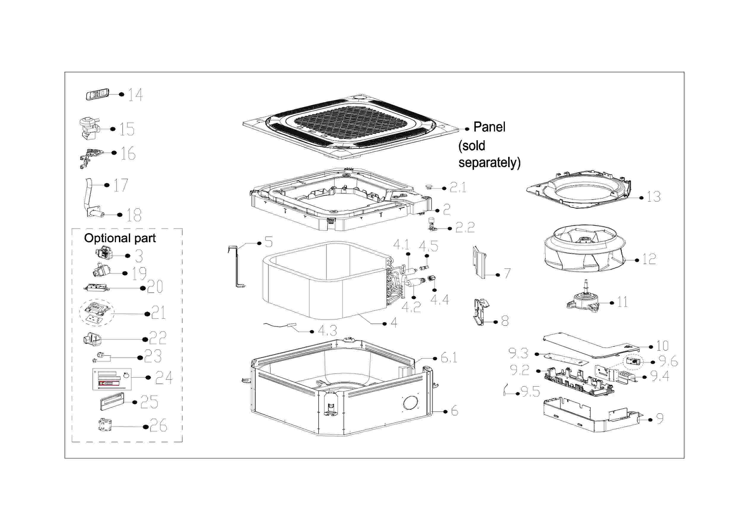

EX_ID | Part Code | Part Name | QTY | Substitute
2 | 12122500002029 | Ventilation ring | 1.00
3 | 12822500A00067 | Water collector subassembly | 1.00
3.1 | 17400511001244 | Water Level Switch | 1.00
4 | 12100103001484 | Centrifugal Fan | 1.00
5 | 15822500003159 | Evaporator Assembly | 1.00
5.1 | 15122500003296 | Evaporator outlet pipe subassembly | 1.00
5.2 | 15500404000008 | Pipe Nut | 1.00 | 15500404000146
5.3 | 15122500003257 | Evaporator inlet pipe subassembly | 1.00
5.5 | 15500209000002 | Pin Valve | 1.00
5.6 | 12222500002092 | Evaporator fixing board subassembly | 1.00
6 | 11002015012308 | Brushless DC Motor | 1.00 | 11002015A01777
7 | 12222500002052 | Chassis Assembly | 1.00
8 | 12222500000090 | Evaporator Fixing Hanger | 2.00
9 | 12122500002028 | Pipe fixing board subassembly | 1.00
11 | 11201003000344 | Gas sensor | 1.00
17 | 17222500005594 | Electronic Control Box Subassembly | 1.00
17.2 | 12122500002047 | Insulation Plate | 1.00
17.3 | 17122500007513 | Main Control Board Subassembly | 1.00
17.4 | 17400401000085 | Wire Joint | 1.00
17.6 | 11201007003424 | Room Temperature Sensor | 1.00
17.7 | 17400306001543 | Reactor | 1.00
17.11 | 17122000048868 | Humidity Sensor Subassembly | 1.00 | 17122000053682
18 | 12222500002033 | Electric Control Box Cover | 1.00
19 | 17317000A71671 | Remote Controller | 1.00
20 | 11201007003442 | Pipe Temperature Sensor | 1.00 | 11201007000136
22 | 12122500003147 | External Water Pump Box Assembly | 1.00 | 12122500002027
23 | 11001010001757 | Induction Pump | 1.00
36 | 12122000029201 | Bracket of Remote Controller | 1.00 | 12117000A29076
37 | 17317100A42882 | Wired Controller | 1.00
41 | 12011600005258 | Accessory Kit Of The Drainage Pipe Assembly | 1.00
42 | 12022500000002 | Accessory Kit | 1.00
46 | 15500406000008 | Flare Nut | 1.00
46 | 15500406000010 | Flare Nut | 1.00 | 15500406000015
55 | 12600401006153 | rubber base | 1.00

Outdoor Unit
Model: |  | HO-SG48-LA-Q
Brand: |  | Mitsutomo
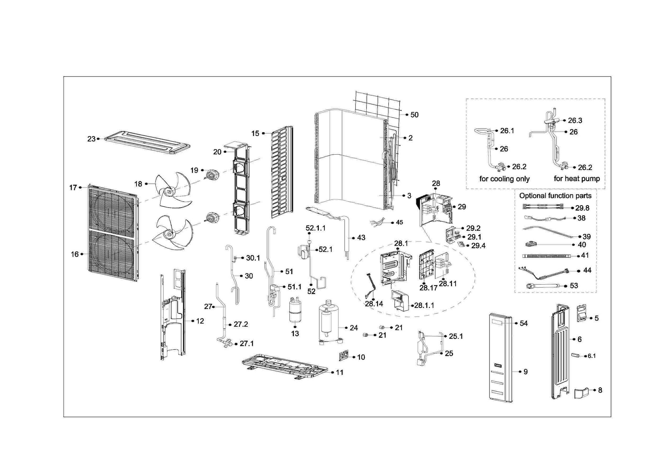

EX_ID | Part Code | Part Name | QTY | Substitute
2 | 15822000010762 | Condenser assembly | 1.00
3 | 15822000015346 | Condenser assembly | 1.00
5 | 12222000018396 | Big handle assembly | 1.00
6 | 12222000019916 | Rear right clapboard assembly | 1.00
6.1 | 12100702000038 | Handle | 1.00
8 | 12122000014023 | Water collector | 1.00
9 | 12222000020285 | Front right clapboard assembly | 1.00
10 | 12222200002361 | Valve plate | 1.00
11 | 12222000006290 | Chassis assembly | 1.00
12 | 12222000005733 | Partition Board Assembly | 1.00
13 | 15500508000009 | Liquid-Storage Tank | 1.00
15 | 12222200002363 | Left side plate assembly of cabinet | 1.00
16 | 12222000014845 | Air outlet grille | 2.00
17 | 12222000007564 | Front panel | 1.00
18 | 12100105000022 | Axial Fan | 2.00
19 | 11002015019452 | Brushless DC Motor | 2.00
20 | 12222000006288 | Supporter subassembly of fan motor | 1.00
21 | 15500406000010 | Flare Nut | 1.00 | 15500406000015
21 | 15500406000008 | Flare Nut | 1.00
23 | 12222200008695 | Top cover assembly | 1.00
24 | 11103020015083 | DC Inverter Rotary Compressor | 1.00
25 | 15122000034265 | Discharge pipe assembly | 1.00
25.1 | 17400516000851 | Pressure Controller | 1.00
26 | 15422000025743 | 4-way valve assembly | 1.00
26.2 | 15500204000662 | Gas Valve | 1.00
26.3 | 15500216002623 | 4-way valve | 1.00
27 | 15422000017594 | Liquid valve assembly | 1.00
27.1 | 15500208000286 | Liquid Valve | 1.00
27.2 | 15500210001888 | Throttle valve | 1.00
28 | 17222000048810 | Electronic Control Box Subassembly | 1.00
28.1 | 12222000019348 | Installation plate of electric parts subassembly | 1.00
28.1.1 | 12122000020942 | Air Duct | 2.00
28.11 | 17122000070099 | Outdoor Main Control Board Subassembly | 1.00
28.14 | 17401203017294 | Compressor wire subassembly | 1.00
28.17 | 12122000032939 | Electronic installing box | 1.00
29 | 17222000043457 | Terminal board subassembly | 1.00
29.1 | 17400401000085 | Wire Joint | 1.00
29.1 | 17400401006516 | Wire joint | 1.00
29.2 | 12222000019625 | Terminal instalation subassembly | 1.00
29.4 | 17122000063054 | Key board subassembly | 1.00
29.8 | 17401203032144 | HV Junction Cable subassembly | 1.00
30 | 15122000034249 | Suction pipe assembly | 1.00
30.1 | 17400516000008 | Pressure Controller | 1.00
38 | 17402001000602 | Crankcase electric heating strip | 1.00
39 | 17402002000466 | Heater | 1.00
40 | 12600401000813 | rubber base | 4.00
43 | 15122000034264 | Radiator subassembly | 1.00
45 | 11201011001207 | Temperature Sensor | 1.00
50 | 12222000007944 | Rear net | 1.00
51 | 15422000026737 | Electronic expansion valve subassembly | 1.00
51.1 | 15500213002290 | Electronic expansion valve | 1.00
52 | 15700101000876 | Plate heat exchanger subassembly | 1.00
52.1 | 15422000017593 | Electronic expansion valve subassembly | 1.00
52.1.1 | 15500213000865 | Electric expansive valve | 1.00
54 | 16022000C85989 | Outdoor unit trademark | 1.00

